Sheet1
Products | Collections | 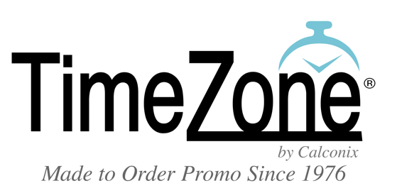 | Sales Tools | General Info | (Black w/ white text like Zero)

Slideshow / Video Area
Pantone matching | Custom Packaging | Custom Emblematics | Socks
WE MAKE THE
MERCH YOU WANT
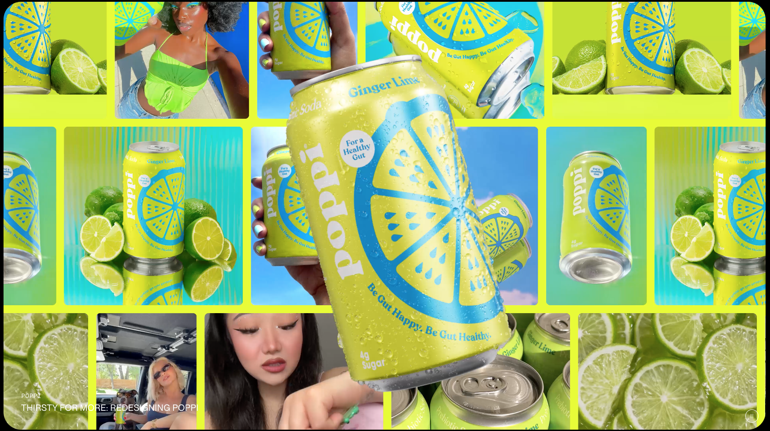
Custom Sourcing
----------------
Get Merch
Your Way

Product Categories follow

Icon x Dee = Cellphone |  |  | Icon x Dee = Bracelet
Phonewear - wallets, mounts & more |  |  | Awareness - Bracelets, pins & lanyards

Icon x Dee = Keytag |  |  | Icon x Dee = Diamond Ring
Emblematic Metals - Coins, pins, key tags & |  |  | Baulble & Bling - make your merch shine

 | Icon x Liz Site = Margarita Clip
 |  | The Margarita Clip - make any drink a party

Icon x Dee = Watch |  |  | Icon x Dee = Easel Mirror
Watches - the start of it all! |  |  | Acrylic - Frames, Mirrors & plaques

Icon x Dee = Sunglasses |  |  | Icon x Dee = pantone Color bar
Sunglasses - trendy shades & accessories |  |  | Pantone Matched Products

Icon x Dee = Stockings |  |  | Icon x Dee = Bow
Socks - Foot merch that doesn’t stink |  |  | Packaging - Bags, Boxes, Tubes & more

 | Bar Setting w/ multiple product or Icon x Dee = Martini Glass Beer, Liquor & Wine
 |  | Boozie Hose - Everything you need to keep things flowing.

Icon x Dee = Neon Signs |  |  | Icon x Dee = Ice Ball
Displays - LED signs, tin tackers & More |  |  | Ice Molds & Bar mats - Drink Better

Icon x Dee = Hat |  |  | Icon x Dee = tote
Headware - bucket hats, beanies and more |  |  | Custom Bags - Shopping, duffels & more

Icon x Dee = Luggage Tag |  |  | Icon x Dee = Goblet
Leather Goods |  |  | Drinkware - Water bottles, plastic drinkware, ceramics & more!
Cold Weather Merch
Icon = Snowflake (maybe snowing over the merch?

Warm Weather Merch
Icon = Sunglasses (Beach scene w/ wave
breaking & goods in the sand?
 |  | Summer / Winter

Icon x Dee = Mustache |  |  | Icon x Dee = Scarf
For Him |  |  | For Her

 | Icon x Dee = Leaf Group Shot of Packaging
 |  | Cannabis Packaging & Merch

